Scaling
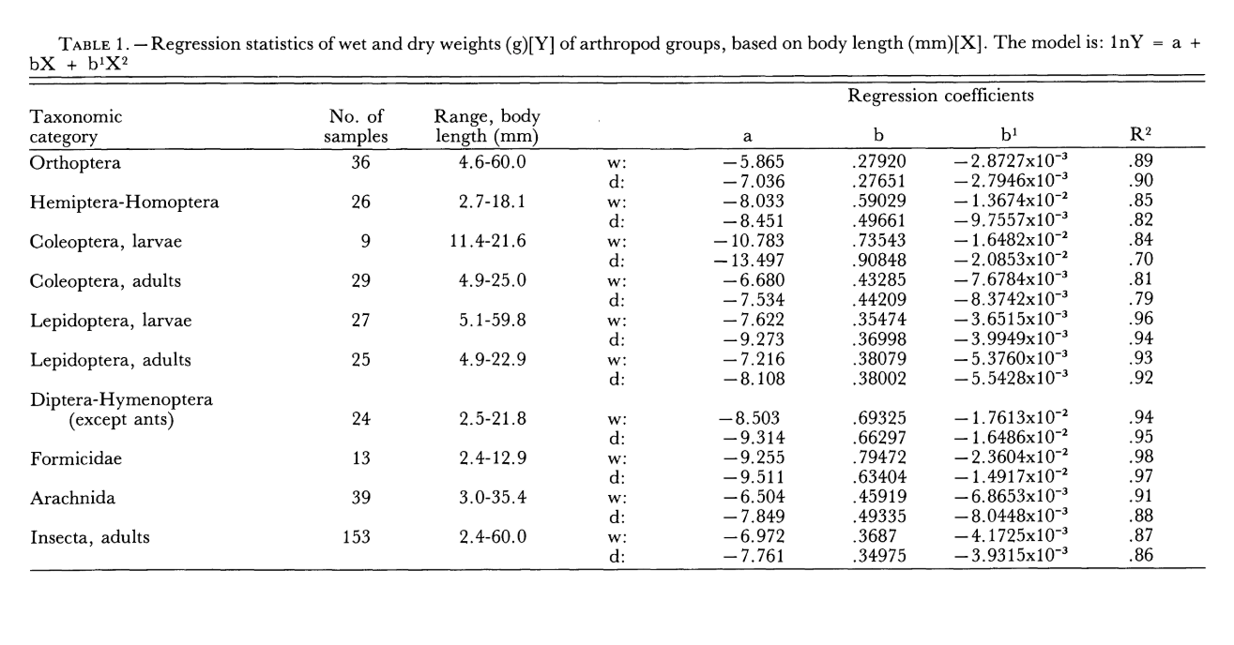
 |  | lnY = a +bX+b1X2
Adult | dry weight (g) |  |  | 0.001 |  |  |  |  | wet weight
Lepidoptera |  | a | b | b1 |  | X = body length mm |  | R2 |  | a | b | b1 |  | X | X2
 |  | -8.108 | 0.38002 | -0.0055428 |  | X | X2 |  |  | -7.216 | 0.38079 | -0.005376
etillia behrii | 0.0146 | -8.108 | 4.75025 | -0.8660625 | -4.2238125 | 12.50 | 156.25 | 92% | 0.160 | -7.216 | 7.425405 | -2.044 | -1.835 | 19.50 | 380.25
Helicoverpa armigera | 0.0605 | -8.108 | 7.41039 | -2.1076497 | -2.8052597 | 19.50 | 380.25
cabbage moth Plutella xylostella | 0.0208 | -8.108 | 5.32028 | -1.0863888 | -3.8741088 | 14.00 | 196.00
Cotton tipworm (Crocidosema plebejana) | 0.0130 | -8.108 | 4.56024 | -0.7981632 | -4.3459232 | 12.00 | 144.00
Homoptera/Hemiptera |  | a | b | b1 |  |  |  |  |  | a | b | b1 |  | X | X2
 |  | -8.451 | 0.49661 | -0.0097557 |  |  |  |  |  | -8.033 | 0.49661 | -0.0097557 |  | 7.50 | 56.25
cotton seed bug | 0.0011 | -8.451 | 1.738135 | -0.119507325 | -6.832372325 | 3.50 | 12.25 | 82%
thrip | 0.0004 | -8.451 | 0.744915 | -0.021950325 | -7.728035325 | 1.50 | 2.25
SLWF | 0.0006 | -8.451 | 0.99322 | -0.0390228 | -7.4968028 | 2.00 | 4
Aphid | 0.0004 | -8.451 | 0.744915 | -0.021950325 | -7.728035325 | 1.50 | 2.25
leafhopper | 0.0011 | -8.451 | 1.738135 | -0.119507325 | -6.832372325 | 3.50 | 12.25
pale cotton stainer | 0.0116 | -8.451 | 4.9661 | -0.97557 | -4.46047 | 10.00 | 100
rutherglen bug | 0.0011 | -8.451 | 1.738135 | -0.119507325 | -6.832372325 | 3.5 | 12.25
Mirid | 0.0051 | -8.451 | 3.724575 | -0.548758125 | -5.275183125 | 7.50 | 56.25 |  | 0.0078 | -8.033 | 3.724575 | -0.548758125 | -4.857183125
average insect | 0.0009 | -8.451 | 1.48983 | -0.0878013 | -7.0489713 | 3 | 9 |  | 0.0013 | -8.033 | 1.48983 | -0.0878013 | -6.6309713 | 3 | 9
Beetle |  | a | b | b1 |  |  |  |  |  | a | b | b1
 |  | -7.534 | 0.44209 | -0.0083742 |  |  |  | 79% |  | -6.68 | 0.43285 | -0.0076784 |  | X | X2
staph beetle | 0.0048 | -7.534 | 2.4535995 | -0.2579462955 | -5.3383467955 | 5.55 | 30.8025 |  | 0.0110 | -6.68 | 2.4023175 | -0.236513916 | -4.514196416 | 5.55 | 30.8025
Medium beetle | 0.0616 | -7.534 | 6.63135 | -1.884195 | -2.786845 | 15 | 225
Diptera/Hymenoptera |  | a | b | b1 |  |  |  |  |  | a | b | b1
 |  |  |  | 0.01 |  |  |  |  |  | -8.503 | 0.69325 | 0.017613 |  | X | X2
 |  | -9.314 | 0.66297 | -0.016486 |  |  |  | 95%
tachnid fly (cotton) | 0.005 | -9.314 | 4.972275 | -0.9273375 | -5.2690625 | 7.5 | 56.25 |  | 0.0990 | -8.503 | 5.199375 | 0.99073125 | -2.31289375 | 7.5 | 56.25
Diptera (Cecidomyiidae ) gnats | 0.000 | -9.314 | 0.1657425 | -0.01030375 | -9.15856125 | 0.25 | 0.625
Chironomidae | 0.002 | -9.314 | 3.31485 | -0.41215 | -6.4113 | 5 | 25

Orthoptera |  | a | b | b1 |  |  |  |  |  | a | b | b1
 |  | -7.036 | 0.27651 | -0.0028727 |  |  |  | 90% |  | -5.865 | 0.2792 | -0.0028727 |  | X | X2
gryll;ideae | 0.1614 | -7.534 | 8.2953 | -2.58543 | -1.82413 | 30 | 900 |  | 0.9283 | -5.865 | 8.376 | -2.58543 | -0.07443 | 30 | 900

